Setup
 |  |  |  |  | Login - the Google Analytics Login as entered in the Accounts wizard (1) |  |  |  | Login | ViewId | Name | EmailTo
 |  |  |  | Setup Worksheet | ViewId - the view Id number as displayed in the Accounts wizard (2) |  |  |  | myAccount | 12345678 | My Website | my.email@example.com
 |  |  |  | Hide this worksheet once setup is complete | Name - used in the file name to identify the web view

 |  |  |  |  | Enter 1 row per web site in the table below. HIDE THIS WORKSHEET.
Automated refresh of this workbook is possible using: |  |  |  |  | Login | ViewId | Name | EmailTo
 |  |  |  |  | myAccount | 12345678 | My Website | my.email@example.com
 | Analytics Edge Core Add-in |  | Free Google Analytics connector
 | (version 2.2 or higher) |  | (version 1.6.10 or higher)
 |  | Download

On the Analytics Edge ribbon bar, click the Google Analytics connector button
and select Accounts from the menu.
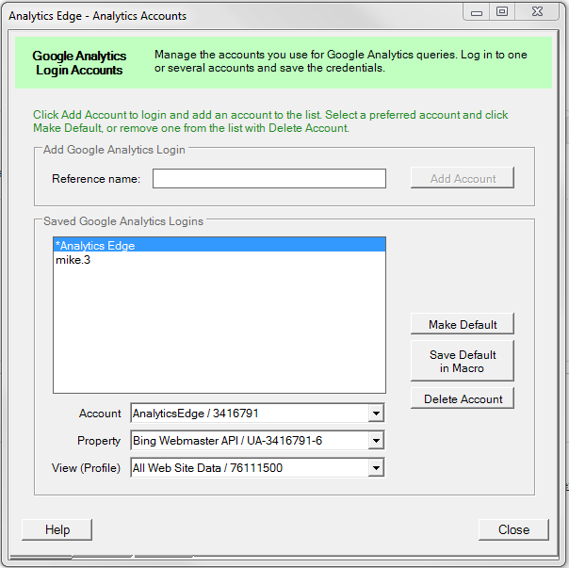
1
2
Enter a Reference name and click
Add Account to add a Google Analytics
login account.

Repeat for other logins you will use.

Select the Account, Property and View
for your report. Note the number portion.

For each report you want to create,
enter the Login and View Id number
into the table at right.

Hide this worksheet (rght-click on the tab
below, and select Hide).

On the Analytics Edge ribbon, click the Refresh All button to run the reports.
Use the Schedule Refresh wizard to set up you automated refresh schedule.

Audience
 |  |  |  |  |  |  |  |  |  | Audience Overview
 |  |  |  |  |  |  |  |  | 2016-06-01

 | Key Metrics
 | Sessions |  | Average Pages |  | Bounce Rate |  | Time On Site |  | New Visitors
 | 0 |  | 0.00 |  | 0.0% |  | 0:00:00 |  | 0.0%
 | 0% |  | 0% |  | 0% |  | 0% |  | 0%

 | Sessions | Users
6/1/2016 | 0 | 0
6/2/2016 | 0 | 0
6/3/2016 | 0 | 0
6/4/2016 | 0 | 0
6/5/2016 | 0 | 0
6/6/2016 | 0 | 0
6/7/2016 | 0 | 0
6/8/2016 | 0 | 0
6/9/2016 | 0 | 0
6/10/2016 | 0 | 0
6/11/2016 | 0 | 0
6/12/2016 | 0 | 0
6/13/2016 | 0 | 0
6/14/2016 | 0 | 0
6/15/2016 | 0 | 0
6/16/2016 | 0 | 0
6/17/2016 | 0 | 0
6/18/2016 | 0 | 0
6/19/2016 | 0 | 0
6/20/2016 | 0 | 0
6/21/2016 | 0 | 0
6/22/2016 | 0 | 0
6/23/2016 | 0 | 0
6/24/2016 | 0 | 0
6/25/2016 | 0 | 0
6/26/2016 | 0 | 0
6/27/2016 | 0 | 0
6/28/2016 | 0 | 0
6/29/2016 | 0 | 0
6/30/2016 | 0 | 0
 |  |  |  |  |  |  |  | Pageviews
 | 0
 | 0
 | 0
 | 0
 | 0
 | 0
 | 0
 | 0
 | 0
 | 0
 | 0
 | 0
 | 0
 | 0
 | 0
 | 0
 | 0
 | 0
 | 0
 | 0
 | 0
 | 0
 | 0
 | 0
 | 0
 | 0
 | 0
 | 0
 | 0
 | 0

 |  |  |  |  |  |  |  | Pages/Session
 | 0
 | 0
 | 0
 | 0
 | 0
 | 0
 | 0
 | 0
 | 0
 | 0
 | 0
 | 0
 | 0
 | 0
 | 0
 | 0
 | 0
 | 0
 | 0
 | 0
 | 0
 | 0
 | 0
 | 0
 | 0
 | 0
 | 0
 | 0
 | 0
 | 0

 |  |  |  |  |  |  |  | Session Duration
 | 0
 | 0
 | 0
 | 0
 | 0
 | 0
 | 0
 | 0
 | 0
 | 0
 | 0
 | 0
 | 0
 | 0
 | 0
 | 0
 | 0
 | 0
 | 0
 | 0
 | 0
 | 0
 | 0
 | 0
 | 0
 | 0
 | 0
 | 0
 | 0
 | 0

 |  |  |  |  |  |  |  | Bounce Rate
 | 0
 | 0
 | 0
 | 0
 | 0
 | 0
 | 0
 | 0
 | 0
 | 0
 | 0
 | 0
 | 0
 | 0
 | 0
 | 0
 | 0
 | 0
 | 0
 | 0
 | 0
 | 0
 | 0
 | 0
 | 0
 | 0
 | 0
 | 0
 | 0
 | 0

 |  |  |  |  |  |  |  | % New Sessions
 | 0
 | 0
 | 0
 | 0
 | 0
 | 0
 | 0
 | 0
 | 0
 | 0
 | 0
 | 0
 | 0
 | 0
 | 0
 | 0
 | 0
 | 0
 | 0
 | 0
 | 0
 | 0
 | 0
 | 0
 | 0
 | 0
 | 0
 | 0
 | 0
 | 0

 | Top Countries
 | 0 |  | 0 |  | 0 |  | 0 |  | 0
 | 0 |  | 0 |  | 0 |  | 0 |  | 0
 | sessions |  | sessions |  | sessions |  | sessions |  | sessions

Country |  | Sessions | % New Sessions | New Users | Bounce Rate | Pages / Session | Avg. Session Duration | Goal Conversion Rate | Goal Completions | Goal Value

Acquisition
 |  |  |  |  |  |  |  |  |  | Acquisition Overview
 |  |  |  |  |  |  |  |  | 2016-06-01

 | Top Channels
 | 0 |  | 0 |  | 0 |  | 0 |  | 0
 | 0 |  | 0 |  | 0 |  | 0 |  | 0
 | 0% |  | 0% |  | 0% |  | 0% |  | 0%
 | Sessions
( others)

 | Top Sources

 | Top Social Sources
 | 0 |  | 0 |  | 0 |  | 0 |  | 0
 | 0 |  | 0 |  | 0 |  | 0 |  | 0
 | sessions |  | sessions |  | sessions |  | sessions |  | sessions

Source / Medium |  | Sessions | % New Sessions | New Users | Bounce Rate | Pages / Session | Avg. Session Duration | Goal Conversion Rate | Goal Completions | Goal Value

Behavior
 |  |  |  |  |  |  |  |  | Behavior Overview
 |  |  |  |  |  |  |  | 2016-06-01

 | Key metrics
 | Total Pageviews | Unique Pageviews |  | Time on Page |  | Bounce Rate |  | Exit Rate
 | 0 | 0 |  | 0:00:00 |  | 0.0% |  | 0.0%
 | 0% | 0% |  | 0% |  | 0% |  | 0%
 | Entrances | Unique Pageviews | Exits
total of others

 | Top Social Sources
 | Sessions w/Search | Unique Searches |  | Pageviews/Search |  | Search Exits |  | Search Depth
 | 0 | 0 |  | 0.00 |  | 0.0% |  | 0.00
 | sessions | searches |  | result pages |  | left the site |  | pages viewed

Page |  |  | Pageviews | Unique Pageviews | Avg. Time on Page | Entrances | Bounce Rate | % Exit | Page Value

