Instructions
Constant Contact First 3 Days of Opens
This workbook can be used with the Analytics Edge add-in and Constant Contact connector
to download details from your Constant Contact account for a selected email campaign.
Download the add-in from http://www.analyticsedge.com |  |  | link

To use this workbook, refresh the campaign list, select a campaign, and refresh the reports

 | 1. Run the Analytics Edge macro: Refresh Campaign List
 |  | 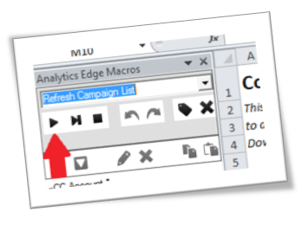
 | 2. Select a Campaign:

 | 3. Run the Analytics Edge macro: Refresh Reports
 |  | 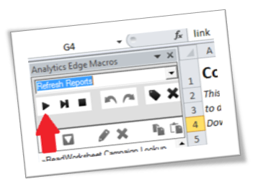

First 3 Days
Company name will appear here
2014-01-15 Jan Newsletter
Jan 14 15h | 632
Jan 14 16h | 509
Jan 14 17h | 382
Jan 14 18h | 315
Jan 14 19h | 232
Jan 14 20h | 197
Jan 14 21h | 112
Jan 14 22h | 100
Jan 14 23h | 84
Jan 15 00h | 32
Jan 15 01h | 7
Jan 15 02h | 4
Jan 15 03h | 2
Jan 15 04h | 21
Jan 15 05h | 32
Jan 15 06h | 41
Jan 15 07h | 68
Jan 15 08h | 92
Jan 15 09h | 74
Jan 15 10h | 61
Jan 15 11h | 6
Jan 15 12h | 54
Jan 15 13h | 33
Jan 15 14h | 19
Jan 15 15h | 40
Jan 15 16h | 14
Jan 15 17h | 47
Jan 15 18h | 32
Jan 15 19h | 21
Jan 15 20h | 4
Jan 15 21h | 13
Jan 15 22h | 15
Jan 15 23h | 6
Jan 16 00h | 13
Jan 16 01h | 5
Jan 16 02h
Jan 16 03h
Jan 16 04h
Jan 16 05h
Jan 16 06h
Jan 16 07h | 10
Jan 16 08h | 12
Jan 16 09h | 3
Jan 16 10h | 33
Jan 16 11h | 23
Jan 16 12h | 15
Jan 16 13h | 11

