Instructions
Google AdWords Campaigns Report
This workbook can be used with the Analytics Edge add-in and Google AdWords connector
to download details from your Google AdWords account for the past 30 days.
Download the add-in from http://www.analyticsedge.com |  | link

To use this workbook, simply run the Analytics Edge macro:

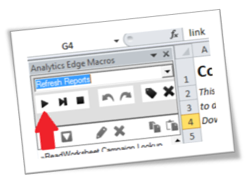
 | 1. Run the Analytics Edge macro: Refresh Reports

 | Optional: change the date range on the Report worksheet to download metrics
 | for a different time period.

