Instructions
Constant Contact Detail Reports
This workbook can be used with the Analytics Edge add-in and Constant Contact connector
to download details from your Constant Contact account for a selected email campaign.
Download the add-in from http://www.analyticsedge.com |  |  | link

To use this workbook, refresh the campaign list, select a campaign, and refresh the reports

 | 1. Run the Analytics Edge macro: Refresh Campaign List
 |  | 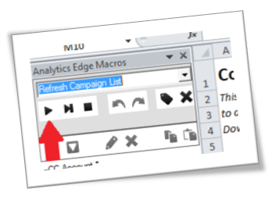
 | 2. Select a Campaign:

 | 3. Run the Analytics Edge macro: Refresh Reports
 |  | 